Spacification
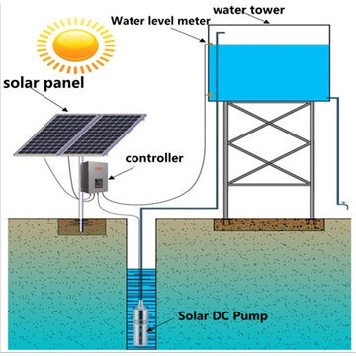
1. Description of Works The works shall include the following: Lot 1 -construction of water yard equipped with Solar system in Al Jazeera state . 4.1 The Works:- Shall include the following as detailed in the BOQ and at the required standards and specifications of Human Appeal; I. Borehole needs: - conduct geological survey and other surveys and equipped with technical report and drill the borehole using Percussion rig or any relevant mentioned rig and follow the geophysical instructions and prepare borehole data and lithology and well logging. - Provide a hybrid submersible pump 7.5 kW, AC/DS with high head, 30~ 40 discharge rate Q, m³/h and connected with local water networks, provide and install a borehole sensor, it will be flexible based on borehole characteristics. - dismantle the existing control room, and supply and install a new control room as specified in BoQ, and carry out the borehole development accordingly through installing a borehole nick and a concrete

